Instructions
1) | On CRM download Feedback view Feedback by PT Lead

2) | On CRM download Opportunites view Saving Ops

3) | Use the relevant buttons to update the feedback and ops by selecting your downloaded files, these will automatically load
 | Feedback loads to "NPS DATA"
 | Ops loads to "OPS"
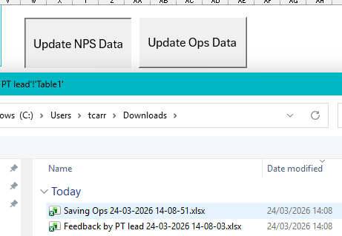

4) | Enter Data in KPI Data Table
5)

6) | Dim_Category is the list of FW and Teams that drives the report. Ensure these are accruate

KPI Visuals
New business velocity by Team
 | Target | Team 1 | Team 2 | Team 3 | Team 4 | Team 5
Jan | 55 | 60.27 | 64.79 | 52.77 | 37.31 | 24.86
Feb | 55 | 60.27 | 64.79 | 52.77 | 37.31 | 24.86
Mar | 55 | 51.2 | 52.4 | 56.46 | 42.89 | 16
Pipeline Conversion by Team
 | Target | Team 1 | Team 2 | Team 3 | Team 4 | Team 5
Jan | 85 | 60 | 135 | 50 | 63 | 51
Feb | 85 | 54 | 98 | 47 | 86 | 51
Mar | 85
YTD NPS Score by Team
 | Team 1 | Team 2 | Team 3 | Team 4 | Team 5
Jan | 80.00 | 100.00 | 62.50 | 100.00 | 100.00
Feb | 72.73 | 100.00 | 75.00 | 100.00 | 100.00
Mar | 60.00 | 100.00 | 73.68 | 100.00 | 100.00

Lost Business Variance vs Forecast
 | Team 1 | Team 2 | Team 3 | Team 4 | Team 5
Jan | £30,303 | £277 | -£29,652 | £19,799 | -£4,253
Feb | £26,209 | £397 | -£9,225 | £9,829 | £14,632
Mar
Consumption Variance vs Forecast
 | Team 1 | Team 2 | Team 3 | Team 4 | Team 5
Jan | -£39,808 | £7 | £541 | £14,910 | -£2,712
Feb | -£51,400 | -£269 | £24,211 | £22,200 | -£2,812
Mar
Revenue Performance Year to Date by Team
 | Team 1 | Team 2 | Team 3 | Team 4 | Team 5
Jan | 100.87% | 65.05% | 91.70% | 107.55% | 80.17%
Feb | 101.85% | 62.87% | 92.16% | 105.86% | 89.18%
Mar | 101.85% | 62.87% | 92.16% | 105.86% | 89.18%

YTD % of Won Ops With Savings Recorded
 | Team 1 | Team 2 | Team 3 | Team 4 | Team 5
Jan | 54.55% | 85.71% | 23.53% | 75.00% | 75.00%
Feb | 55.00% | 87.50% | 30.67% | 88.89% | 77.78%
Mar | 61.90% | 90.00% | 36.00% | 93.33% | 88.24%
Average Savings by Team
 | Team 1 | Team 2 | Team 3 | Team 4 | Team 5
Jan | 2.98% | 2.24% | 3.42% | 2.96% | 6.30%
Feb | 4.94% | 2.19% | 3.15% | 2.91% | 6.49%
Mar | 4.56% | 2.11% | 3.00% | 2.79% | 7.73%

